2017 Activity
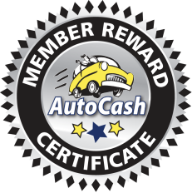 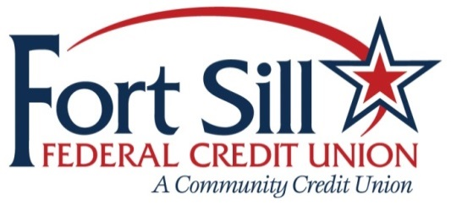 2018 AutoCash Activity Report

Member | Cert. Date | Dealer | Sales Rep | Gas | Loan | CU Ref # | Branch | Pre App | Survey

 |  |  | Retention 0% | 0 | 0
2017 Fort Sill AutoCash Activity Report
 | Issued Gas Cards | Issued Loans
May | 0 | 2
Jun | 0 | 1
Aug | 0 | 5
Sep | 2 | 3
Oct | 1 | 3
Nov | 0 | 2
Dec | 1 | 0

